Excel Support
This is the VaR of your portfolio and it's affected by your investment decisions. If you go above the limit imposed by the CRO (cell below), you will receive a fine.
Excel Support - VaR Case
version 1.2

 | 99% | Value-At-Risk (Daily) | $-
 |  | Series 2
 | 20000
 | 20000
 | 20000
 | 20000
 | 20000
 | 20000
 | 20000
 | 20000
 | 20000
 | 20000
 | 20000
 | 20000
 | 20000
 | 20000
 | 20000
 | 20000
 | 20000
 | 20000
 | 20000
 | 20000
 | 20000
 | 20000
 | 20000
 | 20000
 | 20000
 | 20000
 | 20000
 | 20000
 | 20000
 | 20000
 | 20000
 | 20000
 | 20000
 | 20000
 | 20000
 | 20000
 | 20000
 | 20000
 | 20000
 | 20000
 | 20000
 | 20000
 | 20000
 | 20000
 | 20000
 | 20000
 | 20000
 | 20000
 | 20000
 | 20000
...
'VaR limit imposed by the CRO' and 'VaR fines' can be changed by the instructor.
If so, please update them accrodingly.
 | VaR limit imposed by CRO |  | $20,000

 |  | VaR Fines | 30%
The more you go above the limit imposed by the CRO, the more you will get fined. This is a proxy of the fines that the instructor will calculate at the end of the simulation.
 |  | Approximate Fines | $-

This value shows you by how much your VaR will decrease if you reduce your exposure by 100 shares in a specific security (assuming that the exposures to the other 2 securities remain the same).
 |  | Reducing the exposure by 100 shares in the following securities, the VaR will descrease by:
 |  | US | $-
 |  | BRIC | $-
 |  | BOND | $-

 |  | Column1 | POSITION | LAST | NLV | Weight
 |  | US | #N/A | #N/A | #N/A | 0.00%
 |  | BRIC | 0 | #N/A | #N/A | 0.00%
 |  | BOND | 0 | #N/A | #N/A | 0.00%
 |  | CASH |  |  | #N/A | 0.00%
 |  |  |  |  | #N/A | 0.00%

At the end of the simulation, you can build an histogram of your Profit & Losses.
Click the button beside and follow the instructions.

The chart shows how your VaR changes during the simulation according to your investment decisions.
Go to "Actual Disctribution" tab

 |  | Assumptions | Exp. St. Dev. | Exp. Return
 |  | US | 1.31% | 0.03%
 |  | BRIC | 1.59% | 0.06%
 |  | BOND | 0.55% | 0.02%
 |  | CASH | 0.00% | 0.00%

 |  | Column1 | Column2 | Actual Weights
 |  | Annualized Exp. Portfolio Return (%) |  | 0
 |  | Annualized Exp. Portfolio Vol (%) |  | 0

Actual Distribution
In the RIT Client, go to "Charting" -> "P&L Charting". Select "Copy Data to Clipboard" as shown below
Then paste it in the blue section to update your data.
Period | Tick | NLV |  |  |  |  |  |  | Return
1 | 1 | 0 | 1% Var on 1 trading year (252 trading days) = 2.52 days, or 2nd worst day (round down)
1 | 2 | 0 | Your portfolio lost | (6,915.00) | on its second-worst day of the year. |  |  |  | 0
1 | 3 | 0 |  |  |  |  |  |  | 0
1 | 4 | 0 |  |  |  |  |  |  | 0
1 | 5 | -3180 |  |  |  |  |  |  | -3180
1 | 6 | -5775 |  |  |  | Worst 5 Day Returns (Dollars) |  |  | -2595 | Min | -7050
1 | 7 | -5565 |  |  |  | 1 | (7,050.00) |  | 210 | Max | 6915
1 | 8 | -6675 |  |  |  | 2 | (6,915.00) |  | -1110
1 | 9 | -2325 |  |  |  | 3 | (6,870.00) |  | 4350 | Bins | 24
1 | 10 | -3090 |  |  |  | 4 | (5,790.00) |  | -765 | B.Size | 581.875
Daily Profit/Loss
1 | 11 | -960 |  |  |  | 5 | (5,745.00) |  | 2130
1 | 12 | -60 |  |  |  |  |  |  | 900 | Histogram Data
Go to "Excel Support" tab
1 | 13 | 1905 |  |  |  |  |  |  | 1965 | 1 | -7050 | 1
1 | 14 | -645 |  |  |  |  |  |  | -2550 | 2 | -6468.125 | 2
1 | 15 | 30 |  |  |  |  |  |  | 675 | 3 | -5886.25 | 0
1 | 16 | 4410 |  |  |  |  |  |  | 4380 | 4 | -5304.375 | 3
1 | 17 | 3555 |  |  |  |  |  |  | -855 | 5 | -4722.5 | 0
1 | 18 | 6495 |  |  |  |  |  |  | 2940 | 6 | -4140.625 | 1
1 | 19 | 2385 |  |  |  |  |  | P&L Chart | -4110 | 7 | -3558.75 | 4
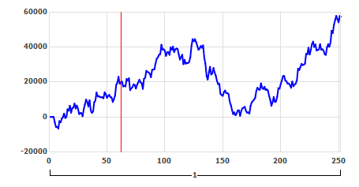
1 | 20 | 5085 |  |  |  |  |  |  | 2700 | 8 | -2976.875 | 14
1 | 21 | 5325 |  |  |  |  |  |  | 240 | 9 | -2395 | 15
1 | 22 | 7650 |  |  |  |  |  |  | 2325 | 10 | -1813.125 | 18
1 | 23 | 4830 |  |  |  |  |  |  | -2820 | 11 | -1231.25 | 15
1 | 24 | 6540 |  |  |  |  |  |  | 1710 | 12 | -649.375 | 21
1 | 25 | 4695 |  |  |  |  |  |  | -1845 | 13 | -67.5 | 16
1 | 26 | 1665 |  |  |  |  |  |  | -3030 | 14 | 514.375 | 31
1 | 27 | 2250 |  |  |  |  |  |  | 585 | 15 | 1096.25 | 23
1 | 28 | 2145 |  |  |  |  |  |  | -105 | 16 | 1678.125 | 18
1 | 29 | 375 |  |  |  |  |  |  | -1770 | 17 | 2260 | 16
1 | 30 | 4590 |  |  |  |  |  |  | 4215 | 18 | 2841.875 | 15
1 | 31 | 7155 |  |  |  |  |  |  | 2565 | 19 | 3423.75 | 9
1. I had 15.16% and 32.22% of the million dollars invested in BRIC and Bond, respectively. This resulted in return of 5.4% or $54000. If the VaR was to change from 99% to 95%, I would take less riskier investments and lower the amount of investments as my VaR would have decreased. The VaR calculation for 99% is 2.33*STD and for 95% it is 1.96*STD. Thus, the VaR limit decreases by 0.37*STD.
2. It does not matter how far in the tail that 1 event might be because VaR does not tell you the distribution of potential losses if the VaR estimate was to be exceeded. It merely tells you the probability your loss level will exceed a certain amount.
3. How far you are in the tail matters when you are calculating the expected shortfall. The area under the curve of the distribution after the 1% is how much your expected loss is if your loss was to exceed the VaR estimate. So if you are not too far in the tail then the area under the curve will be large and your expected loss will be higher.
4. The variance-covariance approach requires the normality assumption to calculate the VaR. If the VaR is calculated using this method, it may underestimate the VaR because the curve is closer to the horizontal axis near the tails.
1 | 32 | 9960 |  |  |  |  |  |  | 2805 | 20 | 4005.625 | 8
1 | 33 | 8400 |  |  |  |  |  |  | -1560 | 21 | 4587.5 | 10
1 | 34 | 5955 |  |  |  |  |  |  | -2445 | 22 | 5169.375 | 3
1 | 35 | 9570 |  |  |  |  |  |  | 3615 | 23 | 5751.25 | 3
1 | 36 | 3780 |  |  |  |  |  |  | -5790 | 24 | 6333.125 | 2
1 | 37 | 2325 |  |  |  |  |  |  | -1455 | 25 | 6915 | 3
1 | 38 | 3075 |  |  |  |  |  |  | 750
1 | 39 | 8370 |  |  |  |  |  |  | 5295
1 | 40 | 9345 |  |  |  |  |  |  | 975
1 | 41 | 13995 |  |  |  |  |  |  | 4650
1 | 42 | 11670 |  |  |  |  |  |  | -2325
1 | 43 | 11985 |  |  |  |  |  |  | 315
1 | 44 | 11325 |  |  |  |  |  |  | -660
1 | 45 | 11205 |  |  |  |  |  |  | -120
1 | 46 | 11265 |  |  |  |  |  |  | 60
1 | 47 | 10680 |  |  |  |  |  |  | -585
1 | 48 | 14085 |  |  |  |  |  |  | 3405
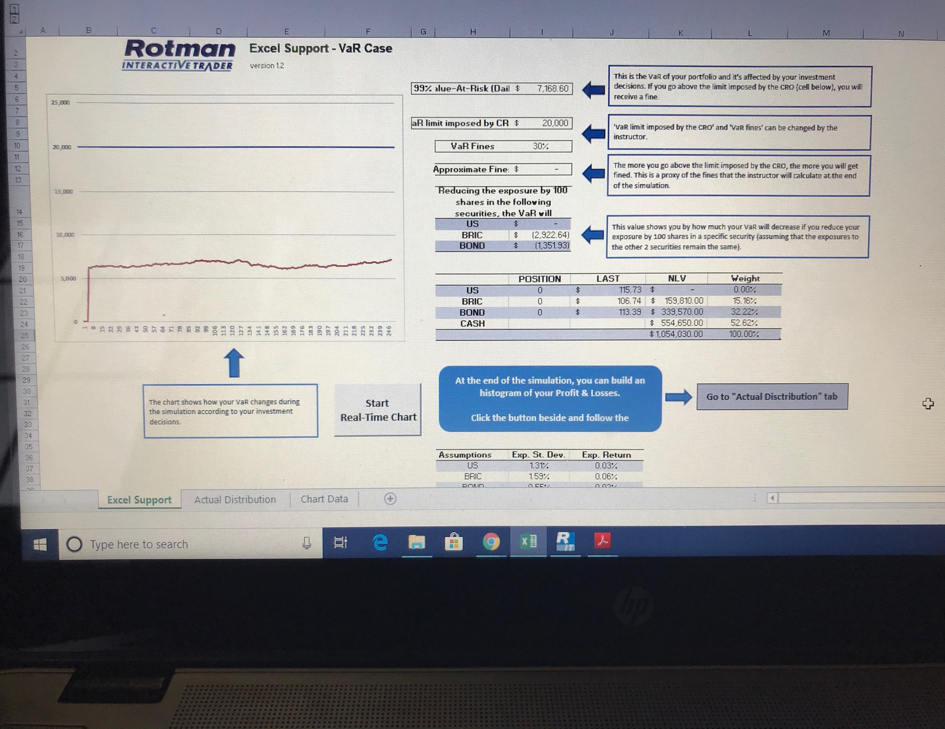
1 | 49 | 12975 |  |  |  |  |  |  | -1110
1 | 50 | 10935 |  |  |  |  |  |  | -2040
1 | 51 | 12000 |  |  |  |  |  |  | 1065
1 | 52 | 12630 |  |  |  |  |  |  | 630
1 | 53 | 11220 |  |  |  |  |  |  | -1410
1 | 54 | 11205 |  |  |  |  |  |  | -15
1 | 55 | 8535 |  |  |  |  |  |  | -2670
1 | 56 | 10065 |  |  |  |  |  |  | 1530
1 | 57 | 12360 |  |  |  |  |  |  | 2295
1 | 58 | 18360 |  |  |  |  |  |  | 6000
1 | 59 | 19695 |  |  |  |  |  |  | 1335
1 | 60 | 23010 |  |  |  |  |  |  | 3315
1 | 61 | 19035 |  |  |  |  |  |  | -3975
1 | 62 | 19830 |  |  |  |  |  |  | 795
1 | 63 | 20175 |  |  |  |  |  |  | 345
1 | 64 | 17415 |  |  |  |  |  |  | -2760
1 | 65 | 17835 |  |  |  |  |  |  | 420
1 | 66 | 17460 |  |  |  |  |  |  | -375
1 | 67 | 21780 |  |  |  |  |  |  | 4320
1 | 68 | 20850 |  |  |  |  |  |  | -930
1 | 69 | 22140 |  |  |  |  |  |  | 1290
1 | 70 | 15270 |  |  |  |  |  |  | -6870
1 | 71 | 16380 |  |  |  |  |  |  | 1110
1 | 72 | 16980 |  |  |  |  |  |  | 600
1 | 73 | 18675 |  |  |  |  |  |  | 1695
1 | 74 | 18225 |  |  |  |  |  |  | -450
1 | 75 | 16200 |  |  |  |  |  |  | -2025
1 | 76 | 18375 |  |  |  |  |  |  | 2175
1 | 77 | 19710 |  |  |  |  |  |  | 1335
1 | 78 | 21285 |  |  |  |  |  |  | 1575
1 | 79 | 19785 |  |  |  |  |  |  | -1500
1 | 80 | 19320 |  |  |  |  |  |  | -465
1 | 81 | 16035 |  |  |  |  |  |  | -3285
1 | 82 | 21840 |  |  |  |  |  |  | 5805
1 | 83 | 22395 |  |  |  |  |  |  | 555
1 | 84 | 26400 |  |  |  |  |  |  | 4005
1 | 85 | 25710 |  |  |  |  |  |  | -690
1 | 86 | 25455 |  |  |  |  |  |  | -255
1 | 87 | 24630 |  |  |  |  |  |  | -825
1 | 88 | 22680 |  |  |  |  |  |  | -1950
1 | 89 | 26910 |  |  |  |  |  |  | 4230
1 | 90 | 27165 |  |  |  |  |  |  | 255
1 | 91 | 27225 |  |  |  |  |  |  | 60
1 | 92 | 30690 |  |  |  |  |  |  | 3465
1 | 93 | 33330 |  |  |  |  |  |  | 2640
1 | 94 | 34095 |  |  |  |  |  |  | 765
1 | 95 | 35505 |  |  |  |  |  |  | 1410
1 | 96 | 35820 |  |  |  |  |  |  | 315
1 | 97 | 41265 |  |  |  |  |  |  | 5445
1 | 98 | 38355 |  |  |  |  |  |  | -2910
1 | 99 | 38670 |  |  |  |  |  |  | 315
1 | 100 | 37875 |  |  |  |  |  |  | -795
1 | 101 | 34875 |  |  |  |  |  |  | -3000
1 | 102 | 36975 |  |  |  |  |  |  | 2100
1 | 103 | 37095 |  |  |  |  |  |  | 120
1 | 104 | 35475 |  |  |  |  |  |  | -1620
1 | 105 | 39780 |  |  |  |  |  |  | 4305
1 | 106 | 38370 |  |  |  |  |  |  | -1410
1 | 107 | 40290 |  |  |  |  |  |  | 1920
1 | 108 | 37095 |  |  |  |  |  |  | -3195
1 | 109 | 38655 |  |  |  |  |  |  | 1560
1 | 110 | 39135 |  |  |  |  |  |  | 480
1 | 111 | 38865 |  |  |  |  |  |  | -270
1 | 112 | 35790 |  |  |  |  |  |  | -3075
1 | 113 | 32805 |  |  |  |  |  |  | -2985
1 | 114 | 34230 |  |  |  |  |  |  | 1425
1 | 115 | 35580 |  |  |  |  |  |  | 1350
1 | 116 | 30165 |  |  |  |  |  |  | -5415
1 | 117 | 32685 |  |  |  |  |  |  | 2520
1 | 118 | 30420 |  |  |  |  |  |  | -2265
1 | 119 | 30885 |  |  |  |  |  |  | 465
1 | 120 | 30795 |  |  |  |  |  |  | -90
1 | 121 | 31530 |  |  |  |  |  |  | 735
1 | 122 | 34155 |  |  |  |  |  |  | 2625
1 | 123 | 40575 |  |  |  |  |  |  | 6420
1 | 124 | 44490 |  |  |  |  |  |  | 3915
1 | 125 | 43200 |  |  |  |  |  |  | -1290
1 | 126 | 44475 |  |  |  |  |  |  | 1275
1 | 127 | 42705 |  |  |  |  |  |  | -1770
1 | 128 | 40755 |  |  |  |  |  |  | -1950
1 | 129 | 38400 |  |  |  |  |  |  | -2355
1 | 130 | 39090 |  |  |  |  |  |  | 690
1 | 131 | 40560 |  |  |  |  |  |  | 1470
1 | 132 | 39540 |  |  |  |  |  |  | -1020
1 | 133 | 40965 |  |  |  |  |  |  | 1425
1 | 134 | 34050 |  |  |  |  |  |  | -6915
1 | 135 | 30540 |  |  |  |  |  |  | -3510
1 | 136 | 23490 |  |  |  |  |  |  | -7050
1 | 137 | 21255 |  |  |  |  |  |  | -2235
1 | 138 | 25305 |  |  |  |  |  |  | 4050
1 | 139 | 28680 |  |  |  |  |  |  | 3375
1 | 140 | 24270 |  |  |  |  |  |  | -4410
1 | 141 | 24885 |  |  |  |  |  |  | 615
1 | 142 | 27990 |  |  |  |  |  |  | 3105
1 | 143 | 25410 |  |  |  |  |  |  | -2580
1 | 144 | 23505 |  |  |  |  |  |  | -1905
1 | 145 | 20550 |  |  |  |  |  |  | -2955
1 | 146 | 18735 |  |  |  |  |  |  | -1815
1 | 147 | 18990 |  |  |  |  |  |  | 255
1 | 148 | 13245 |  |  |  |  |  |  | -5745
1 | 149 | 12540 |  |  |  |  |  |  | -705
1 | 150 | 12075 |  |  |  |  |  |  | -465
1 | 151 | 14145 |  |  |  |  |  |  | 2070
1 | 152 | 15165 |  |  |  |  |  |  | 1020
1 | 153 | 13620 |  |  |  |  |  |  | -1545
1 | 154 | 13680 |  |  |  |  |  |  | 60
1 | 155 | 12975 |  |  |  |  |  |  | -705
1 | 156 | 8835 |  |  |  |  |  |  | -4140
1 | 157 | 6750 |  |  |  |  |  |  | -2085
1 | 158 | 3990 |  |  |  |  |  |  | -2760
1 | 159 | 1590 |  |  |  |  |  |  | -2400
1 | 160 | 2655 |  |  |  |  |  |  | 1065
1 | 161 | 930 |  |  |  |  |  |  | -1725
1 | 162 | 1920 |  |  |  |  |  |  | 990
1 | 163 | 3780 |  |  |  |  |  |  | 1860
1 | 164 | 3795 |  |  |  |  |  |  | 15
1 | 165 | 630 |  |  |  |  |  |  | -3165
1 | 166 | 3555 |  |  |  |  |  |  | 2925
1 | 167 | 5010 |  |  |  |  |  |  | 1455
1 | 168 | 5310 |  |  |  |  |  |  | 300
1 | 169 | 5805 |  |  |  |  |  |  | 495
1 | 170 | 3435 |  |  |  |  |  |  | -2370
1 | 171 | 2460 |  |  |  |  |  |  | -975
1 | 172 | 2655 |  |  |  |  |  |  | 195
1 | 173 | 1860 |  |  |  |  |  |  | -795
1 | 174 | 6345 |  |  |  |  |  |  | 4485
1 | 175 | 8325 |  |  |  |  |  |  | 1980
1 | 176 | 9090 |  |  |  |  |  |  | 765
1 | 177 | 9900 |  |  |  |  |  |  | 810
1 | 178 | 10890 |  |  |  |  |  |  | 990
1 | 179 | 15075 |  |  |  |  |  |  | 4185
1 | 180 | 16695 |  |  |  |  |  |  | 1620
1 | 181 | 15690 |  |  |  |  |  |  | -1005
1 | 182 | 15525 |  |  |  |  |  |  | -165
1 | 183 | 19230 |  |  |  |  |  |  | 3705
1 | 184 | 16665 |  |  |  |  |  |  | -2565
1 | 185 | 15945 |  |  |  |  |  |  | -720
1 | 186 | 17310 |  |  |  |  |  |  | 1365
1 | 187 | 15360 |  |  |  |  |  |  | -1950
1 | 188 | 15795 |  |  |  |  |  |  | 435
1 | 189 | 15105 |  |  |  |  |  |  | -690
1 | 190 | 12105 |  |  |  |  |  |  | -3000
1 | 191 | 9735 |  |  |  |  |  |  | -2370
1 | 192 | 6330 |  |  |  |  |  |  | -3405
1 | 193 | 8475 |  |  |  |  |  |  | 2145
1 | 194 | 11475 |  |  |  |  |  |  | 3000
1 | 195 | 8565 |  |  |  |  |  |  | -2910
1 | 196 | 8910 |  |  |  |  |  |  | 345
1 | 197 | 11535 |  |  |  |  |  |  | 2625
1 | 198 | 16485 |  |  |  |  |  |  | 4950
1 | 199 | 16140 |  |  |  |  |  |  | -345
1 | 200 | 18705 |  |  |  |  |  |  | 2565
1 | 201 | 20760 |  |  |  |  |  |  | 2055
1 | 202 | 23310 |  |  |  |  |  |  | 2550
1 | 203 | 23475 |  |  |  |  |  |  | 165
1 | 204 | 20835 |  |  |  |  |  |  | -2640
1 | 205 | 20430 |  |  |  |  |  |  | -405
1 | 206 | 18960 |  |  |  |  |  |  | -1470
1 | 207 | 19200 |  |  |  |  |  |  | 240
1 | 208 | 18240 |  |  |  |  |  |  | -960
1 | 209 | 16665 |  |  |  |  |  |  | -1575
1 | 210 | 20280 |  |  |  |  |  |  | 3615
1 | 211 | 17505 |  |  |  |  |  |  | -2775
1 | 212 | 18525 |  |  |  |  |  |  | 1020
1 | 213 | 19065 |  |  |  |  |  |  | 540
1 | 214 | 20985 |  |  |  |  |  |  | 1920
1 | 215 | 27615 |  |  |  |  |  |  | 6630
1 | 216 | 26730 |  |  |  |  |  |  | -885
1 | 217 | 28485 |  |  |  |  |  |  | 1755
1 | 218 | 30375 |  |  |  |  |  |  | 1890
1 | 219 | 29625 |  |  |  |  |  |  | -750
1 | 220 | 29910 |  |  |  |  |  |  | 285
1 | 221 | 30450 |  |  |  |  |  |  | 540
1 | 222 | 36075 |  |  |  |  |  |  | 5625
1 | 223 | 35850 |  |  |  |  |  |  | -225
1 | 224 | 39585 |  |  |  |  |  |  | 3735
1 | 225 | 35640 |  |  |  |  |  |  | -3945
1 | 226 | 38295 |  |  |  |  |  |  | 2655
1 | 227 | 41520 |  |  |  |  |  |  | 3225
1 | 228 | 43110 |  |  |  |  |  |  | 1590
1 | 229 | 39945 |  |  |  |  |  |  | -3165
1 | 230 | 41400 |  |  |  |  |  |  | 1455
1 | 231 | 37920 |  |  |  |  |  |  | -3480
1 | 232 | 38340 |  |  |  |  |  |  | 420
1 | 233 | 38520 |  |  |  |  |  |  | 180
1 | 234 | 41610 |  |  |  |  |  |  | 3090
1 | 235 | 38445 |  |  |  |  |  |  | -3165
1 | 236 | 38730 |  |  |  |  |  |  | 285
1 | 237 | 37995 |  |  |  |  |  |  | -735
1 | 238 | 35925 |  |  |  |  |  |  | -2070
1 | 239 | 35445 |  |  |  |  |  |  | -480
1 | 240 | 39720 |  |  |  |  |  |  | 4275
1 | 241 | 41595 |  |  |  |  |  |  | 1875
1 | 242 | 40080 |  |  |  |  |  |  | -1515
1 | 243 | 42390 |  |  |  |  |  |  | 2310
1 | 244 | 49305 |  |  |  |  |  |  | 6915
1 | 245 | 47910 |  |  |  |  |  |  | -1395
1 | 246 | 52680 |  |  |  |  |  |  | 4770
1 | 247 | 55320 |  |  |  |  |  |  | 2640
1 | 248 | 57795 |  |  |  |  |  |  | 2475
1 | 249 | 55950 |  |  |  |  |  |  | -1845
1 | 250 | 54030 |  |  |  |  |  |  | -1920
1 | 251 | 57660 |  |  |  |  |  |  | 3630
1 | 252 | 57315 |  |  |  |  |  |  | -345

 |  |  |  |  |  |  |  |  | 2571.027568
 |  |  |  |  |  |  |  |  | 40813.797353

